ged4all Schema
exposure_model table
Column | Type | Possible link attribute name in opendrr tables? | Default | Comment | cf_common."occupancy_enum" | ged4all."category_enum"
id | serial |  | nextval('ged4all.exposure_model_id_seq'::regclass) |  | Residential | buildings
name | varchar |  | null |  | Commercial | indicators
description | varchar |  | null |  | Industrial | infrastructure
taxonomy_source | varchar |  | null |  | Infrastructure | crops, livestock and forestry
category | ged4all."category_enum" |  | null | buildings or indicator or infrastruture | Healthcare
area_type | varchar |  | null |  | Educational
area_unit | varchar |  | null |  | Government
tag_names | varchar |  | null |  | Crop
use | cf_common."occupancy_enum" |  | null | hazus high level occupancy (res,com,ind,gov) etc | Livestock
 |  |  |  |  | Forestry
contribution table |  |  |  |  | Mixed
Column | Type | Possible link attribute name in opendrr tables? | Default | Comment | Mixed
id | serial |  | nextval('ged4all.contribution_id_seq'::regclass)
exposure_model_id | int4 |  | null
model_source | varchar |  | null
model_date | date |  | null
notes | text |  | null
version | varchar |  | null
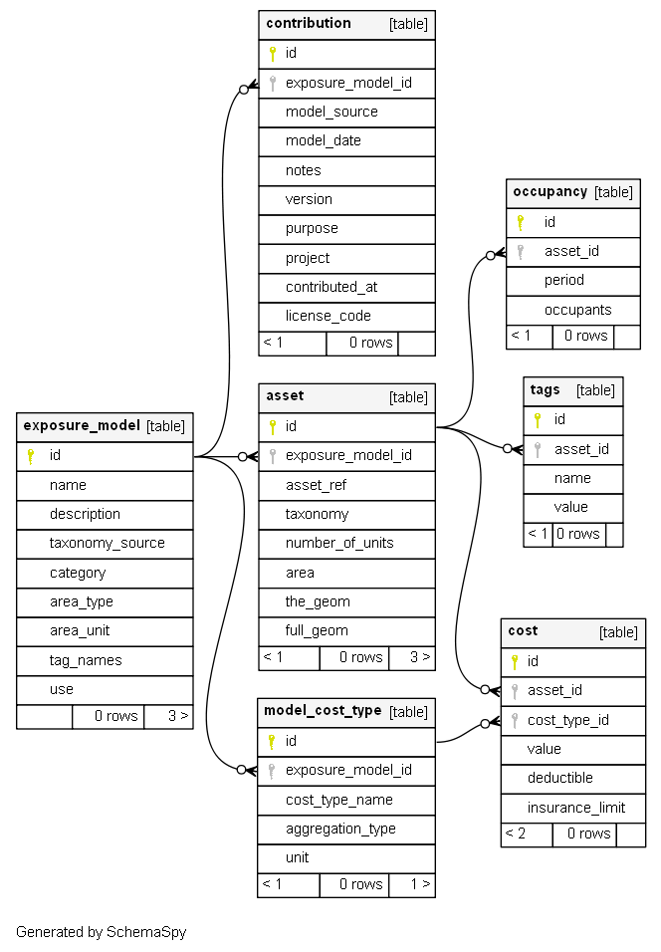
purpose | text |  | null
project | varchar |  | null
contributed_at | timestamp |  | now()
license_code | varchar |  | null

asset table
Column | Type | Possible link attribute name in opendrr tables? | Default | Comment
id | serial |  | nextval('ged4all.asset_id_seq'::regclass)
exposure_model_id | int4 |  | null
asset_ref | varchar |  | null
taxonomy | varchar |  | null
number_of_units | float8 |  | null
area | float8 |  | null
the_geom | geometry |  | null
full_geom | geometry |  | null

model_cost_type table
Column | Type | Possible link attribute name in opendrr tables? | Default | Comment
id | serial |  | nextval('ged4all.model_cost_type_id_seq'::regclass)
exposure_model_id | int4 |  | null
cost_type_name | varchar |  | null
aggregation_type | varchar |  | null
unit | varchar |  | null

occupancy table
Column | Type | Possible link attribute name in opendrr tables? | Default | Comment
id | serial |  | nextval('ged4all.occupancy_id_seq'::regclass)
asset_id | int4 |  | null
period | varchar |  | null
occupants | float8 |  | null

tag table
Column | Type | Possible link attribute name in opendrr tables? | Default | Comment
id | serial |  | nextval('ged4all.tags_id_seq'::regclass)
asset_id | int4 |  | null
name | varchar |  | null
value | varchar |  | null

mover Schema
damage_scale table
Column | Type | Possible link attribute name in opendrr tables? | Default | Comments | Alias | Description | cf_common."occupancy_enum" | mover."dm_scale_ty_enum" | mover."scale_app_enum" | mover."function_type_enum" | mover."f_subtype_enum" | mover."f_relationship_enum" | mover."f_math_enum" | mover."geographic_relevance_score_enum" | mover."damage_states_all_enum" | mover."im_method_enum" | mover."sim_method_enum" | mover."sample_enum"
dm_scale_reference | varchar |  | null | Mover manual, figure 4.17 ie HAZUS-MH MR4 (FEMA, 2003) | Reference (Author_Year_a,b,c) | This field specified the reference study of the damage scale and points to the Title and other attributes of the study in the Reference table. A standard is set for the data entry: Author_Years_a,b,c to make sure that each reference can be used to uniquely identify the associated reference study. For existing damage scales which do not have a well-known acronym the damage scale name and the reference can be the same. Example: Crowley et al_2004. | Residential | Existing | Country (Level 0) | Fragility | Empirical | Mathematical | Cumulative Lognormal | Excellent | No damage | Recorded | Physics-based | Single-asset class
asset_notes | varchar |  | null |  |  |  | Commercial | Bespoke | Sub-country (Level 1) | Vulnerability | Analytical | Discrete | Cumulative Normal | Good | Light damage | Surveyed | IMPE | Multi-assets classes
n_dm_states | bpchar |  | null | Mover manual, figure 4.17. ie hazus-mh has 4 | N of damage states | This field specifies the total number of damage states that the damage scale studies. This information is important because not all the damage scale have the same numbers of damage states. Example: 4 | Industrial | Unknown | Local (Level 2) | Damage-to-Loss | Judgement |  | Exponential | Needs improvement | Moderate damage | Simulated |  | Single-asset
dm_states_id | varchar |  | null |  | Damage states identifiers in the original reference | This field lists all the damage states (separated by a semicolon) as they are identified in the specific damage scale. Example: 1;2;3;4 | Infrastructure |  | Asset (Level 3) |  | Hybrid - Analytical/Empirical |  | Bespoke | Unusable | Heavy damage | Unknown
dm_states_name | varchar |  | null |  | Damage states name in the original reference | This field lists all the damage states names (separated by a semicolon) as they are identified in the specific damage scale. It is important to note that, as it happens for the damage states too, different damage scales will have different names associated to a damage state. Example: 1;2;3;4 | Healthcare |  |  |  | Hybrid - Analytical/Judgement |  | DtL - Beta PDF |  | Collapse
is_edp_thre | bool |  | null |  | Associated with EDP threshold? | This a boolean TRUE/FALSE field which explains is the damage scale is associated to an EDP threshold. | Educational |  |  |  | Hybrid - Empirical/Judgement |  | DtL - Normal PDF |  | Minor damage
is_dm_factor | bool |  | null |  | Associated with Damage Factor? | This a boolean TRUE/FALSE field which explains is the damage scale is associated to a damage factor. | Government |  |  |  | Hybrid - Analytical HF/LF |  | DtL - Lognormal PDF |  | Major damage
is_casualties | bool |  | null |  | Associated with Casualties? | This a boolean TRUE/FALSE field which explains is the damage scale can be associated to a casualties estimation study. | Crop |  |  |  | Code - based |  | DtL - Uniform PDF |  | Complete damage
is_downtime | bool |  | null |  | Associated with Downtime? | This a boolean TRUE/FALSE field which explains is the damage scale can be associated to a downtime estimation study. Example: a damage scale which distinguishes damage states between Operational/ Non operational can be used to estimate downtime. | Livestock |  |  |  |  |  | DtL - Bespoke PDF |  | Collapsed
id | serial |  | nextval('mover.damage_scale_id_seq'::regclass) |  |  |  | Forestry |  |  |  |  |  | N/a |  | Washed away
damage_scale_name | varchar |  | null |  | Damage scale name (indexed field) | The entry to this fields are enumerated to include all known and frequently used damage scales. A preferred value is included to point to Bespoke damage scales which refer to a specific reference study. The damage scale name field also creates a relationship between the damage scale table and the FF and DTL tables. Example: Crowley et al_2004. | Mixed |  |  |  |  |  |  |  | None
damage_scale_code | varchar |  | null |  |  |  | Mixed |  |  |  |  |  |  |  | Light
damage_scale_type | mover."dm_scale_ty_enum" |  | null |  | Damage scale type | Enumerated field which specifies if the damage scale used by the function is ‘Existing’ or ‘Bespoke’. |  |  |  |  |  |  |  |  | Negligible to Slight
occupancy | cf_common."occupancy_enum" | hazus high level occupancy (res,com,ind,gov) etc | null |  |  |  |  |  |  |  |  |  |  |  | Moderate
taxonomy_source | varchar |  | null |  |  |  |  |  |  |  |  |  |  |  | Substantial to Heavy
taxonomy | varchar |  | null |  |  |  |  |  |  |  |  |  |  |  | Very Heavy
asset_type | varchar |  | null |  | Asset type | Enumerated type. Possible entries include: Buildings, Lifelines, People, Crops. |  |  |  |  |  |  |  |  | Destruction
hazard_type | varchar |  | null |  | Hazard type | Enumerated type. Possible entries include: Earthquake, Tsunami, Flood, Wind, Landslide, Storm surge, Volcanic ash, and Drought. |  |  |  |  |  |  |  |  | None to Slight
process_type | varchar |  | null |  |  |  |  |  |  |  |  |  |  |  | Extensive
 |  |  |  |  |  |  |  |  |  |  |  |  |  |  | Complete
f_core table |  |  |  |  |  |  |  |  |  |  |  |  |  |  | Slight
Column | Type | Possible link attribute name in opendrr tables? | Default | Comments | Alias | Description |  |  |  |  |  |  |  |  | Partial collapse
id | serial |  | nextval('mover.f_core_id_seq'::regclass) |  |  |  |  |  |  |  |  |  |  |  | Heavy
hazard_type_primary | varchar |  | null |  | Hazard type | Enumerated type. Possible entries include: Earthquake, Tsunami, Flood, Wind, Landslide, Storm surge, Volcanic ash, Drought, and Multi-hazard |  |  |  |  |  |  |  |  | Severe
hazard_type_secondary | varchar |  | null |  | Hazard type | Enumerated type. Possible entries include: Earthquake, Tsunami, Flood, Wind, Landslide, Storm surge, Volcanic ash, Drought, and Multi-hazard |  |  |  |  |  |  |  |  | Operational
process_type_primary | varchar |  | null |  |  |  |  |  |  |  |  |  |  |  | Immediate Occupancy
process_type_secondary | varchar |  | null |  |  |  |  |  |  |  |  |  |  |  | Life safety
occupancy | cf_common."occupancy_enum" |  | null |  |  |  |  |  |  |  |  |  |  |  | Collapse prevention
taxonomy_source | varchar |  | null |  |  |  |  |  |  |  |  |  |  |  | Fully Operational
taxonomy | varchar |  | null |  |  | GEM taxonomy |  |  |  |  |  |  |  |  | Near Collapse
asset_type | varchar |  | null |  | Asset type | Enumerated type. Possible entries include: Buildings, Lifelines, People, Crop. In the integration with the data schemas of the Challenge Exposure, this table will be replaced with the Asset table of their schema and it will provide a link to all tables of that schema. |  |  |  |  |  |  |  |  | Production loss
asset_notes | varchar |  | null |  |  |  |  |  |  |  |  |  |  |  | Not applicable
country_iso | varchar |  | null |  | Country/ies (ISO1; ISO 2) | List of countries which the function can be applied to, unequivocally identified by their ISO codes, separated by a semi-colon.
applicability_notes | varchar |  | null
scale_applicability | mover."scale_app_enum" |  | null |  | Scale applicability | Enumerated field listing as possible entries the four scales of applicability:Country (Geographical level 0), Sub-country (Geographical level 1), Local(Geographical level 2), Asset (Geographical level 3).
function_type | mover."function_type_enum" |  | null
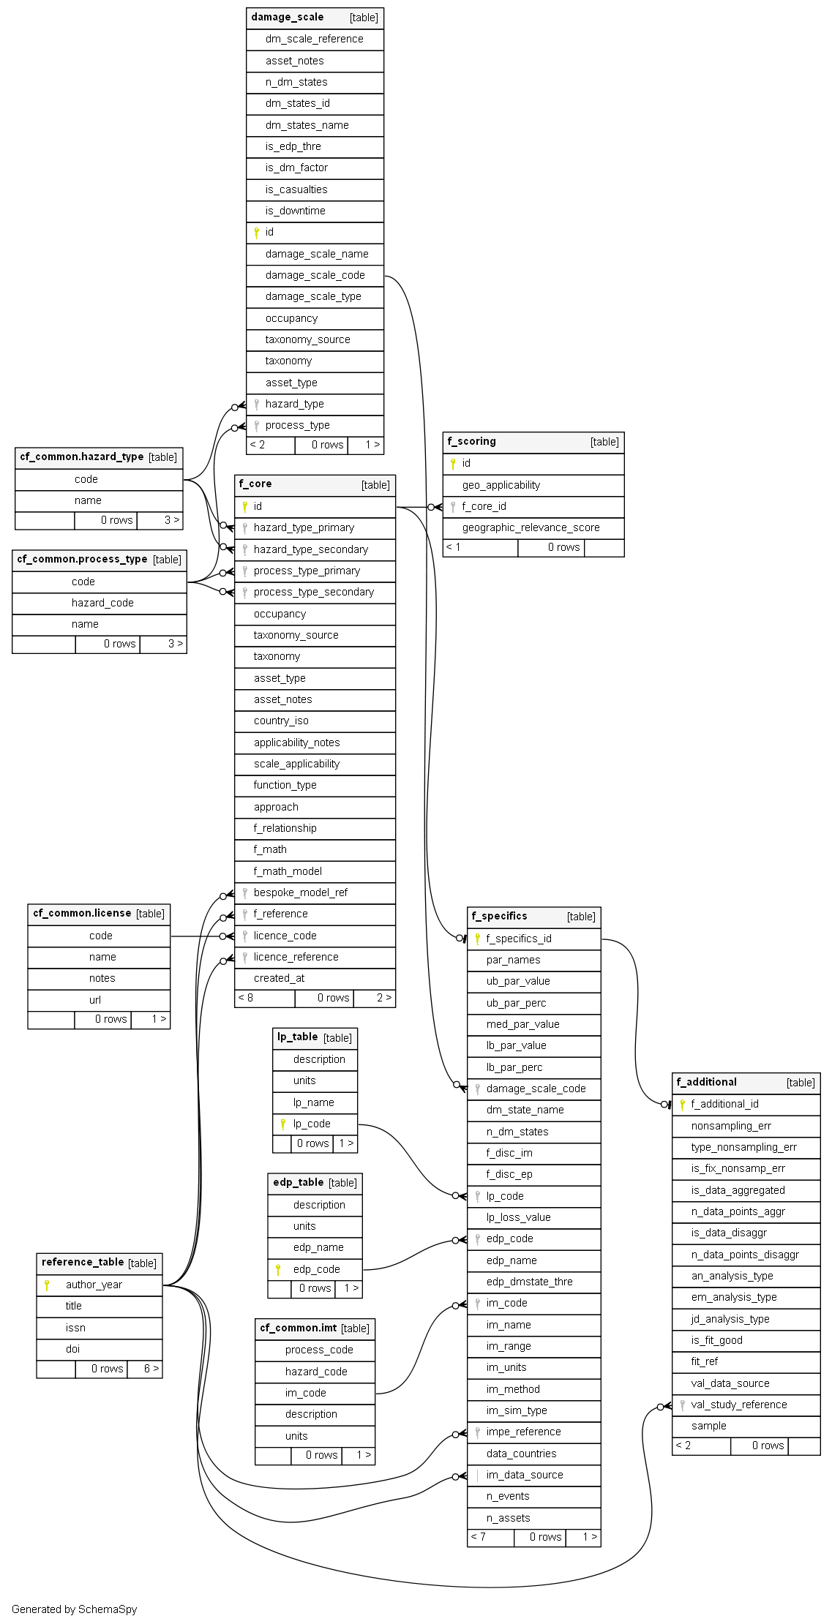
approach | mover."f_subtype_enum" |  | null |  | Approach | Enumerated type which lists the possible types of vulnerability functions. These include: Empirical, Analytical, Judgement, Hybrid - Analytical/Empirical, Hybrid - Analytical/Judgement, Hybrid - Empirical/Judgement, and Hybrid - Analytical High Fidelity/Low Fidelity.
f_relationship | mover."f_relationship_enum" |  | null |  | Mathematical/ Discrete | Enumerated field to distinguish between Mathematical and Discrete functions.
f_math | mover."f_math_enum" |  | null |  | Enumerated field to distinguish between Parametric or Bespoke discrete functions. | Enumerated field to distinguish between Parametric or Bespoke discrete functions.
f_math_model | mover."f_mathtype_enum" |  | null |  | Mathematical Model | Enumerate field. Possible entries include: Cumulative lognormal, Cumulative normal, Exponential, Bespoke - see reference
bespoke_model_ref | varchar |  | null |  | Bespoke model reference | Reference study of the bespoke model
f_reference | varchar |  | null |  | Reference | Reference study of the vulnerability function. Details on each of the reference studies are provided in the Reference table.
licence_code | varchar |  | null
licence_reference | varchar |  | null
created_at | timestamptz |  | now()

lp_table
Column | Type | Possible link attribute name in opendrr tables? | Default | Comments | Alias | Description |  | Comments
description | varchar |  | null |  | Description | This field describes the loss parameter.
units | varchar |  | null |  | units | Standard units used to measure the loss parameter
lp_name | varchar |  | null |  | Loss Parameter name (indexed field) | Enumerated type. Possible entries include: Relative loss, Fatality Rate, Total fatalities, Economic loss total, Annual average loss, Downtime, Mean damage ratio, Economic loss ratio, Damage Index.
lp_code | varchar |  | null |  | Loss Parameter symbol | This field specifies the acronym/ symbol usually associated to the loss parameter name.

edp_table
Column | Type | Possible link attribute name in opendrr tables? | Default | Comments | Alias | Description
description | varchar |  | null |  | Description | This field describes the loss parameter.
units | varchar |  | null |  | units | Standard units used to measure the loss parameter
edp_name | varchar |  | null |  | EDP name (indexed field) | Enumerated type. Possible entries include: Park-Ang damage index, Peak floor acceleration, Roof drift ratio, Maximum inter-storey drift ratio, Inter-storey drift ratio for storey i, Demand to capacity ratio. This field is indexed and points to the edp_name field in the FF table.
edp_code | varchar |  | null |  | EDP symbol | This field specifies the acronym/symbol usually associated to the EDP name.

f_scoring table
Column | Type | Possible link attribute name in opendrr tables? | Default | Comments | Alias | Description
id | serial |  | nextval('mover.f_scoring_id_seq'::regclass) |  |  | Unique identifier of the score given to a function given its geographic applicability and data, and Primary Key
geo_applicability | varchar |  | null |  |  | Country ISO code. Example: TZA
f_core_id | serial |  | nextval('mover.f_scoring_f_core_id_seq'::regclass)
geographic_relevance_score | mover."geographic_relevance_score_enum" |  | null |  |  | Enumerative field, which assesses the quality of the function, evaluated as per Table 4.26. Possible entries include: Excellent, Good, Needs Improvement, Unusable.

f_specifics table
Column | Type | Possible link attribute name in opendrr tables? | Default | Comments | Alias | Description
f_specifics_id | serial |  | nextval('mover.f_specifics_f_specifics_id_seq'::regclass)
par_names | varchar |  | null |  | Parameters names (Par1; Par2) | Parameters values names Example: MIDR , Ash depth
ub_par_value | varchar |  | null |  | Upper bound parameters value (Value1; Value2) | upper bound parameter value Example: 0.9; 350
ub_par_perc | varchar |  | null |  | Upper bound parameters percentiles (Perc1; Perc2) | Percentiles associated to the upper bound parameters for parametric functions
med_par_value | varchar |  | null |  | Median parameter values (Med1; Med2) | median parameter values Example: 0.2; 0.75
lb_par_value | varchar |  | null |  | Lower bound parameters value (Value1; Value2) | lower bound parameters value Example: 0.01; 3
lb_par_perc | varchar |  | null |  | Lower bound parameters percentiles (Perc 1;Perc 2) | Percentiles associated to the lower bound parameters for parametric functions
damage_scale_code | varchar |  | null
dm_state_name | mover."damage_states_all_enum" |  | null
n_dm_states | bpchar |  | null |  |  | Number of damage states studied in the reference study of the function.
f_disc_im | varchar |  | null |  |  | This field lists the IM values for the characterization of discrete functions
f_disc_ep | varchar |  | null |  |  | This field lists the associated exceeded probability values to the IM values of the previous field.
lp_code | varchar |  | null |  |  | This field specifies the acronym/ symbol usually associated to the loss parameter name.
lp_loss_value | varchar |  | null
edp_code | varchar |  | null
edp_name | varchar |  | null |  |  | Enumerated type. Possible entries include: Park-Ang damage index, Peak floor acceleration, Roof drift ratio, Maximum inter-storey drift ratio, Inter-storey drift ratio for storey i, Demand to capacity ratio. This field is indexed and points to the edp_name field in the FF table.
edp_dmstate_thre | varchar |  | null |  |  | It indicates the specific damage state EDP threshold.
im_code | varchar |  | null
im_name | varchar |  | null |  |  | Enumerated field which list the name of the IM. A drop down list of IM names is provided that links to the IM table.
im_range | varchar |  | null |  |  | Range of intensity measures. Example: 0; 500
im_units | varchar |  | null
im_method | mover."im_method_enum" |  | null |  |  | Enumerated field. Possible entries include: Recorded, Surveyed, Simulated, Unknown
im_sim_type | mover."sim_method_enum" |  | null |  |  | Enumerated field which indicates the type of simulation used to assess the IM. Possible entries are: Physics-based, IMPE
impe_reference | varchar |  | null |  |  | Reference study of the IMPE simulation method.
data_countries | varchar |  | null |  |  | Adjustment to Country ISO codes
im_data_source | varchar |  | null |  |  | Reference studies for the IM data sources
n_events | int4 |  | null |  |  | Numeric entry which specifies the number of events the function has been built on
n_assets | int4 |  | null |  |  | Numeric entry which specifies the number of assets the function has been built on.
med_par_value | varchar |  | null |  |  | median parameter values Example: 0.2; 0.75
lb_par_value | varchar |  | null |  |  | lower bound parameters value Example: 0.01; 3
lb_par_perc | varchar |  | null |  |  | Percentiles associated to the lower bound parameters for parametric functions
damage_scale_code | varchar |  | null
dm_state_name | mover."damage_states_all_enum" |  | null
n_dm_states | bpchar |  | null |  |  | Number of damage states studied in the reference study of the function.
f_disc_im | varchar |  | null |  |  | This field lists the IM values for the characterization of discrete functions
f_disc_ep | varchar |  | null |  |  | This field lists the associated exceeded probability values to the IM values of the previous field.
lp_code | varchar |  | null |  |  | This field specifies the acronym/ symbol usually associated to the loss parameter name.
lp_loss_value | varchar |  | null
edp_code | varchar |  | null
edp_name | varchar |  | null |  |  | Enumerated type. Possible entries include: Park-Ang damage index, Peak floor acceleration, Roof drift ratio, Maximum inter-storey drift ratio, Inter-storey drift ratio for storey i, Demand to capacity ratio. This field is indexed and points to the edp_name field in the FF table.
edp_dmstate_thre | varchar |  | null |  |  | It indicates the specific damage state EDP threshold.
im_code | varchar |  | null
im_name | varchar |  | null |  | IM name | Enumerated field which list the name of the IM. A drop down list of IM names is provided that links to the IM table.
im_range | varchar |  | null |  | IM range | Range of intensity measures. Example: 0; 500
im_units | varchar |  | null
im_method | mover."im_method_enum" |  | null |  | IM method | Enumerated field. Possible entries include: Recorded, Surveyed, Simulated, Unknown
im_sim_type | mover."sim_method_enum" |  | null |  | IM Simulation type (for simulated method only) | Enumerated field which indicates the type of simulation used to assess the IM. Possible entries are: Physics-based, IMPE
impe_reference | varchar |  | null |  | IMPE reference (for IMPE simulation only) | Reference study of the IMPE simulation method.
data_countries | varchar |  | null |  | Data countries (ISO1; ISO2) | Adjustment to Country ISO codes
im_data_source | varchar |  | null |  | IM data source/s | Reference studies for the IM data sources
n_events | int4 |  | null |  | N events | Numeric entry which specifies the number of events the function has been built on
n_assets | int4 |  | null |  | N assets | Numeric entry which specifies the number of assets the function has been built on.

f_additional table
Column | Type | Possible link attribute name in opendrr tables? | Default | Comments | Alias | Description
f_additional_id | serial |  | nextval('mover.f_additional_f_additional_id_seq'::regclass)
nonsampling_err | mover."nonsampling_err_enum" |  | null |  | Is there a non-sampling error? | Enumerative field. Possible entries are: Yes, No, Unknown
type_nonsampling_err | mover."type_nonsampling_err_enum" |  | null |  | Type of non-sampling error | Enumerative field. Possible entries include: Under coverage, Incomplete data, Measurement error, Unknown.
is_fix_nonsamp_err | bool |  | null |  | Has non-sampling error being fixed? | has non sampling error being fixed? Boolean TRUE/FALSE
is_data_aggregated | bool |  | null |  | Is data aggregated? | is data aggregated? Boolean TRUE/FALSE
n_data_points_aggr | int4 |  | null |  | N of data points aggregated | Number of aggregated data points used for the evaluation of data quality.
is_data_disaggr | bool |  | null |  | Is data disaggregated? | is data disaggregated? Boolean TRUE/FALSE
n_data_points_disaggr | int4 |  | null |  | N of data points disaggregated | Number of disaggregated data points used for the evaluation of data quality.
an_analysis_type | mover."an_analysis_type_enum" |  | null |  | Analytical model type | Enumerated field. Possible entries include: Simplified, Advanced
em_analysis_type | mover."em_analysis_type_enum" |  | null |  | Type of analysis for Empirical functions | Enumerated field which lists possible types of regression and include: Least squares, GLM, GAM
jd_analysis_type | mover."jd_analysis_type_enum" |  | null |  | Type of analysis for Judgement functions | Enumerated field which lists possible elicitation methods and include: Delphi, Cookes.
is_fit_good | bool |  | null |  | Is the fit good? | Boolean TRUE/FALSE
fit_ref | mover."fit_ref_enum" |  | null |  | Reference model for fitting | Enumerated field. Possible entries include: AIC, BIC, Kolmogorov-Smirnov.
val_data_source | varchar |  | null |  | Data source of independent data | If a validation has been conducted, this field indicates the source of the independent data.
val_study_reference | varchar |  | null |  | Validation study reference (if existing) | Reference of the Validation study
sample | mover."sample_enum" |  | null

